Sheet1
Input | Output | Faithfulness | Coverage
You are an expert in grazing systems without any statistics background. Your goal is to explain an agent-based model. Your explanation must include the context of the model, its goals, and key parameters. For each parameter, include the range of values (if provided) and the value that we have set. Do not write any summary or conclusion. We have 31 parameters: - number-households, from 1.0 to 100.0. We set it to 60. - satisficing-threshold, from 0.0 to 100.0. We set it to 0. - satisficing-trials, from 0.0 to 100.0. We set it to 21. - knowledge-radius, from 0.0 to 5.0. We set it to 1. - resting-threshold, from 0.0 to 1.0. We set it to 0.1. - intrinsic-preference, from 0.0 to 1.0. We set it to 0. - social-susceptibility, from 0.0 to 1.0. We set it to 0. - global-rain?. We set it to True. - start-on-homepatch?. We set it to True. - resting?. We set it to False. - homog-behav-types?. We set it to True. - extension-model?. We set it to True. - SL2-strategy-switch?. We set it to False. - risk-mode?. We set it to True. - behavioral-type. We set it to E-RO. - number-SAT. We set it to 0. - number-E-RO. We set it to 20. - number-TRAD. We set it to 0. - b. We set it to 0. - number-MAX. We set it to 0. - rain-mean. We set it to 200. - risk-att-init. We set it to 0.5. - gr1. We set it to 0.5. - number-E-LBD. We set it to 20. - gr2. We set it to 0.1. - number-E-RO-SL1. We set it to 20. - timesteps. We set it to 100. - w. We set it to 0.8. - number-random. We set it to 0. - livestock-init. We set it to 90. - rain-std. We set it to 100. The context and goals of the model are as follows. This is an extension of the original RAGE model where we add learning capabilities to agents, specifically learning-by-doing and social learning (two processes central to adaptive (co-)management). The original model can be found here: The RAGE model is a *multi-agent simulation model* t | The agent-based model you're referring to is an extended version of the RAGE (Rangeland Agent-based Grazing Ecology) model. The primary focus of the model is to simulate interactions between pastures, livestock, and household livelihoods in a common property grazing system. It evaluates different household behavioral types, specifically traditional (TRAD), maximizer (MAX), and satisficer (SAT) These types differ in livestock preferences, adherence to social norms about pasture resting, and the influence of peer behavior. The extension introduced to the original model adds learning capabilities to agents, specifically learning-by-doing and social learning, and applies these to smallholder farmers' decision-making. In this extension, households are static, observing their own and neighbors' pastures to make decisions on livestock numbers annually. The three new behavioral types introduced are E-RO (baseline behavior), E-LBD (learning- by-doing), and these also aim to understand their long-term social- The mean household initial risk attitude for social learning agents remains constant throughout the 100 time steps observed in the simulation. This stability suggests that, within the context of the model, the initial risk attitudes of the agents do not undergo any changes as time passes. The simulation displays multiple trajectories of mean household risk attitudes. The overall trend shows an initial increase in risk tolerance, followed by differentiated stabilization and a subset experiencing significant risk aversion towards the end of the simulation. The diversity of risk attitude trajectories suggests variability in household responses to the conditions imposed by the grazing system. The mean reserve of biomass begins at approximately 90,000 units. By the end of the 100th time step, the figure stabilizes at around 130,000. This could be attributed to a reduction in grazing intensity or an improved rate of biomass. In agent-based model simulation, the mean gree
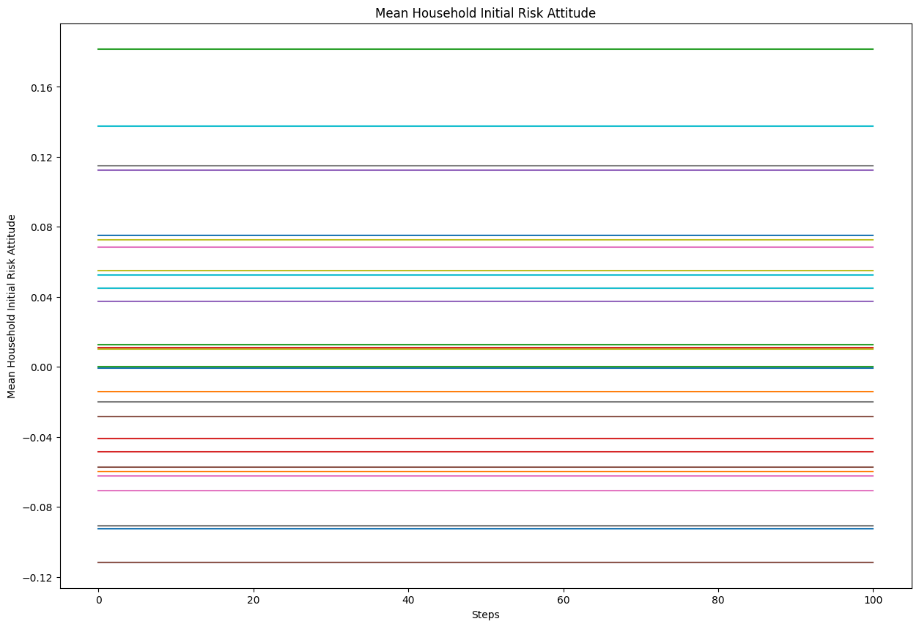
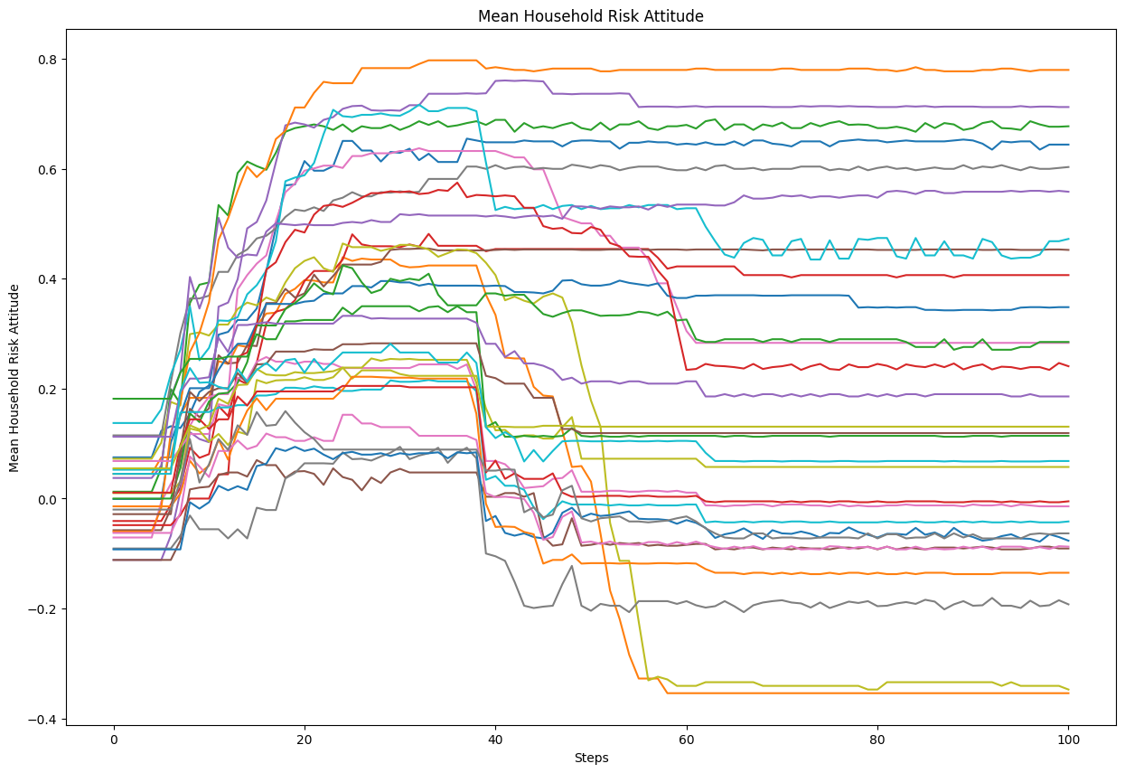
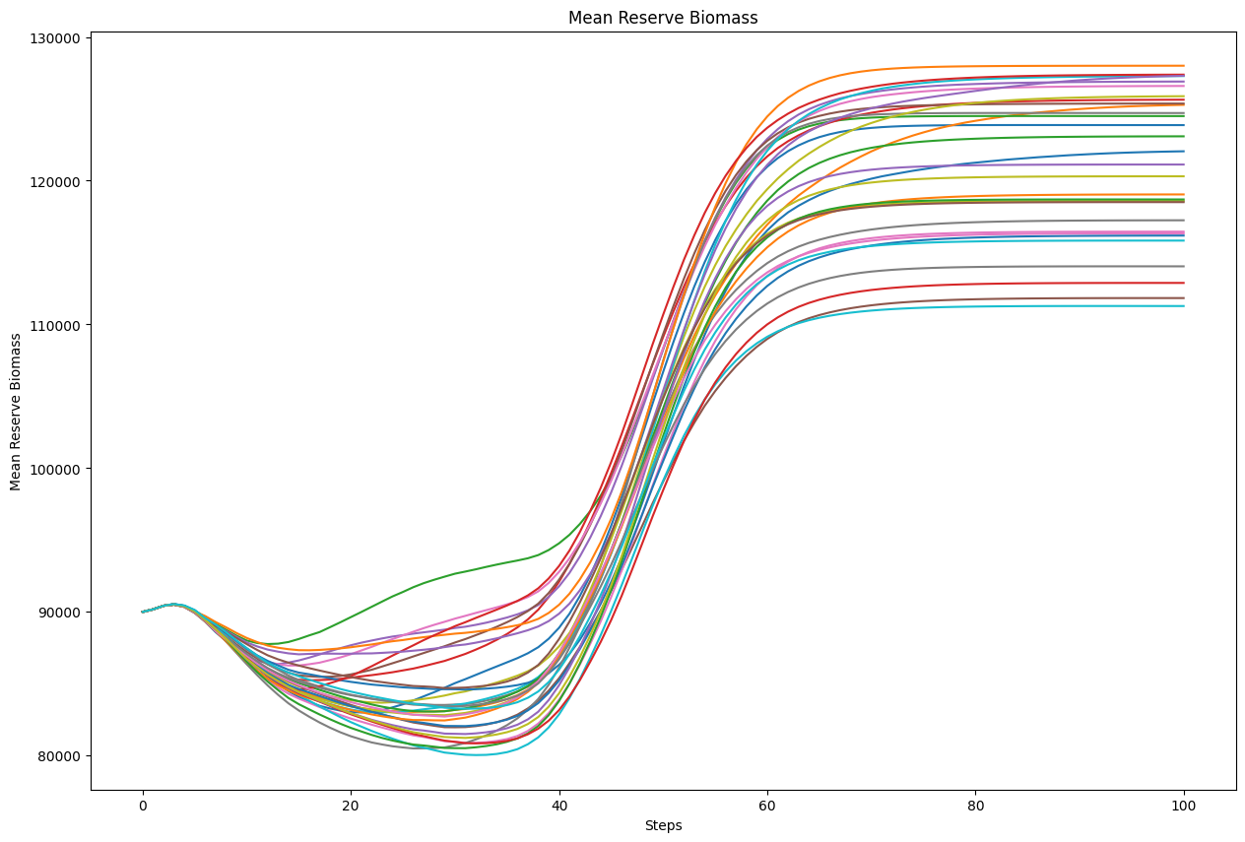
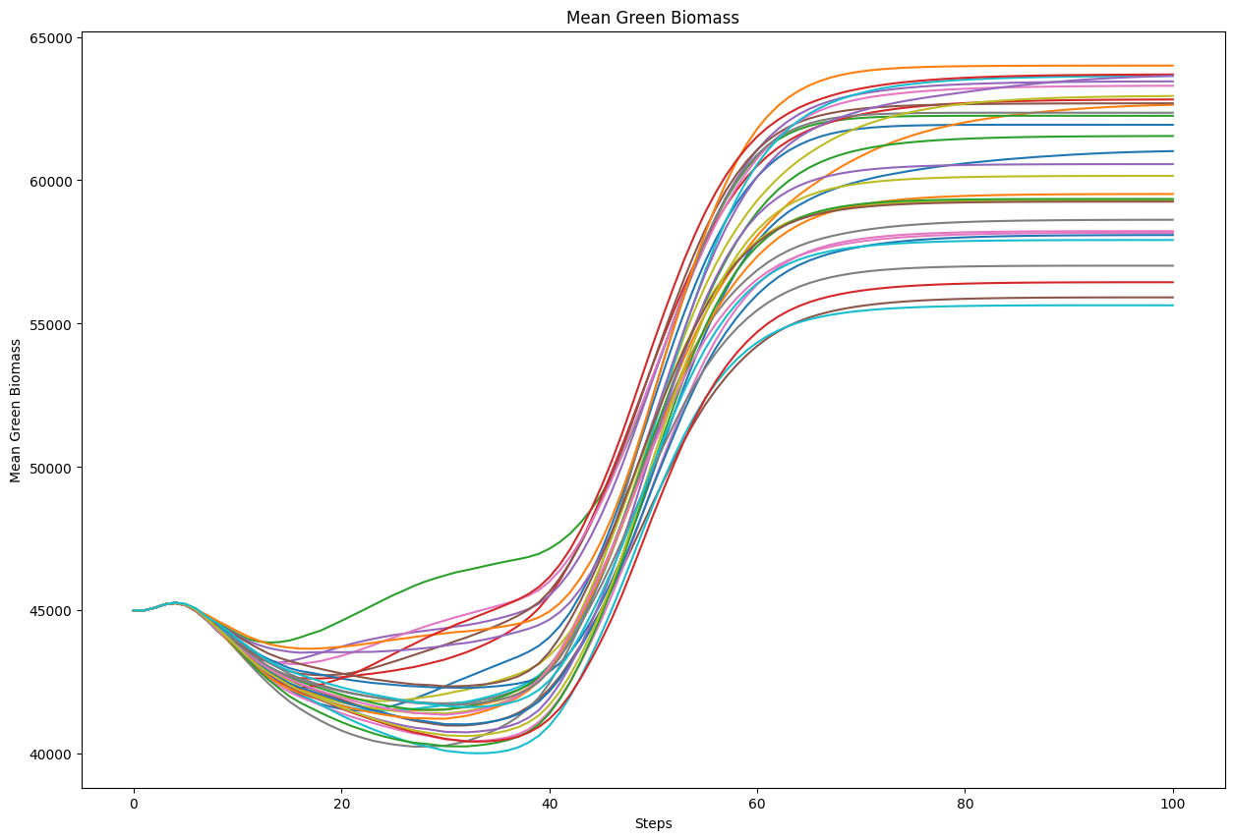
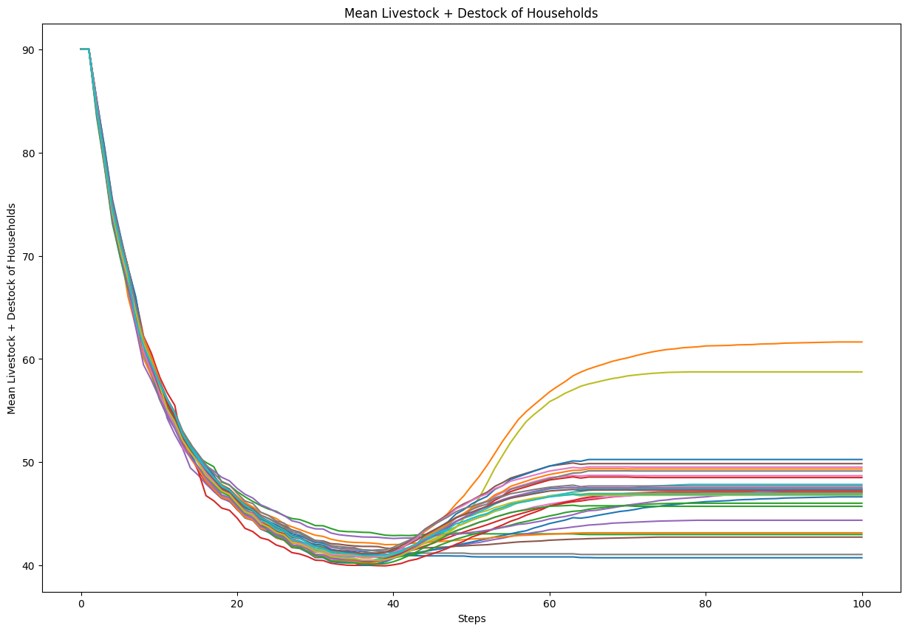
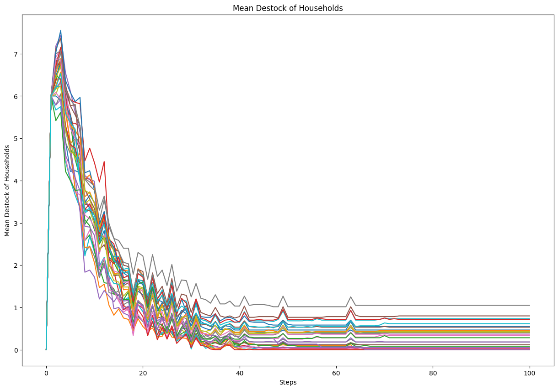
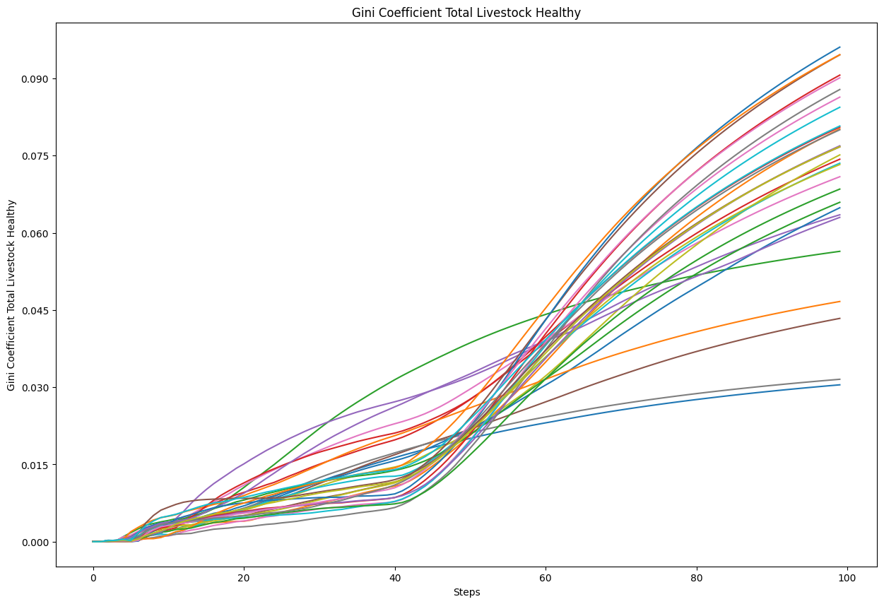
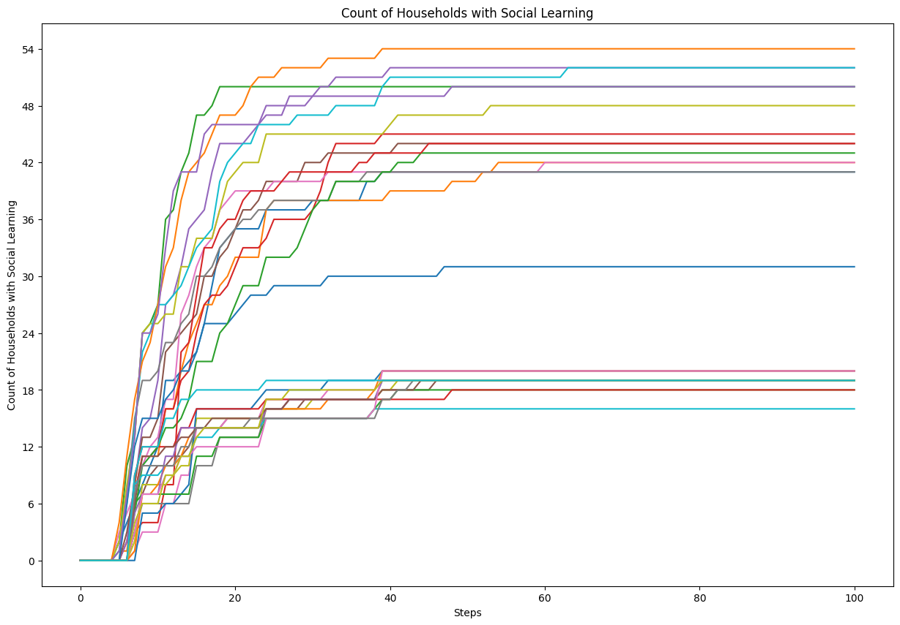
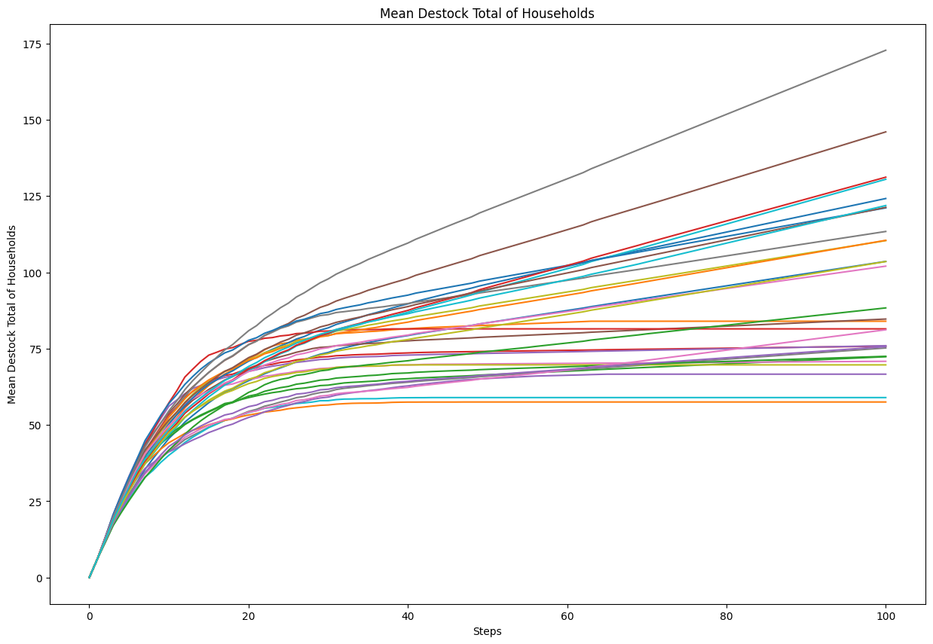
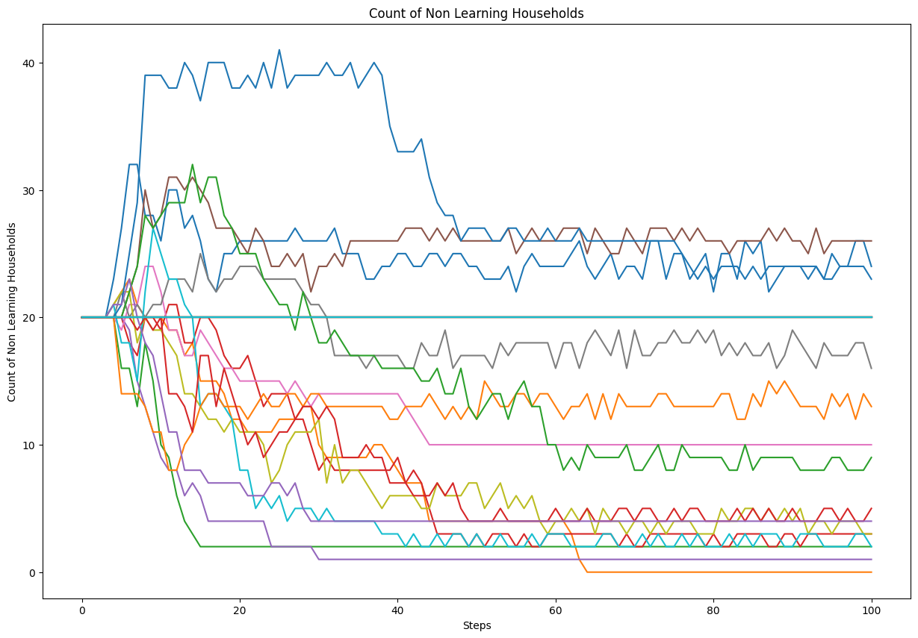
Input | Output | Faithfulness | Coverage

You are an expert in Consumer Behavior without any statistics background. Your goal is to explain an agent-based model. Your explanation must include the context of the model, its goals, and key parameters. For each parameter, include the range of values (if provided) and the value that we have set. Do not write any summary or conclusion. We have 16 parameters: - memory-lifetime, from 1.0 to 10.0. We set it to 5. - alt-health-mean-initial, from 1.0 to 3.0. We set it to 1.69. - habit-threshold, from 1.0 to 10.0. We set it to 2. - p-interact, from 0.0 to 1.0. We set it to 0.3. - social-susceptibility, from 0.0 to 1.0. We set it to 0.2. - incumbent-initial-habit, from 0.0 to 10.0. We set it to 10. - alt-env-mean-initial, from 0.0 to 3.0. We set it to 1.12. - social-blindness, from 0.0 to 1.0. We set it to 0.51. - justification, from 0.0 to 1.0. We set it to 0.61. - cognitive-dissonance-threshold, from 0.0 to 1.0. We set it to 0.15. - network-parameter, from 2.0 to 10.0. We set it to 8. - number-of-agents. We set it to 1000. - habit-on?. We set it to True. - network-type. We set it to "watts-strogatz". - norms. We set it to True. - social-conformity. We set it to 0.28. The context and goals of the model are as follows. The overall objective of the agent-based model is to reproduce adoption behaviours of milk consumption by the British public (1974-2005), by replicating individual preferences and decision factors. Specifically, the goal of the model is to explore the influence of perception, habits and social influence in an individual's decision-making process of milk choice. The model looks to replicate the substitution of whole milk for skimmed and semi-skimmed milk from the 1970s onwards. The main outcome reported here is the average weekly consumption of each milk type per person. The simulation uses both a theoretical grounding and empirical data to inform the ABM, with calibration performed against observed | The context of this agent - based model revolves around simulating the adoption behavior of milk consumption by the british public from 1974 to 2005. Specifically, the model aims to replicate the substitution of whole milk for skimmed and semi - skimmed milk that occurred during this period. The agents in the model represent adult consumers who occupy a random position in an information environment. Each agent has a disposition to consider alternative milk choices, based on either a threshold - based or a probability - based approach. This stabilization period suggests that agents have settled into a more consistent consumption pattern after the initial adjustment phase. From step 20 onwards, the consumption level fluctuates slightly but maintains a relatively stable average of around 400 units per agent per week. The average weekly consumption of skimmed and semi - skimmed milk per agent starts at a very low level, close to zero, during the initial time steps. Around step 5, there is a sharp increase in consumption, with the average rising rapidly until around step 10. The total number of whole milk choices exhibits a consistent linear increase across all simulation runs. Starting from zero, the metric rises steadily with each time step, without any noticeable deviations or fluctuations. The total number of skimmed and semi - skimmed milk choices starts at zero and increases linearly over the 30 time steps shown. By the final step 30, the total skimmed / semi - skimmed choices have increased to approximately 24, 000. The total number of milk choices made starts at 0 and increases linearly over the course of the simulation steps. This steady linear growth suggests that the agents in the model are making consistent choices at a constant rate throughout the simulation period. It rapidly increases over the next couple of time steps, reaching a peak of approximately 2500 units around step 2 or 3. After this initial spike, the mean milk quantity consumed declines s
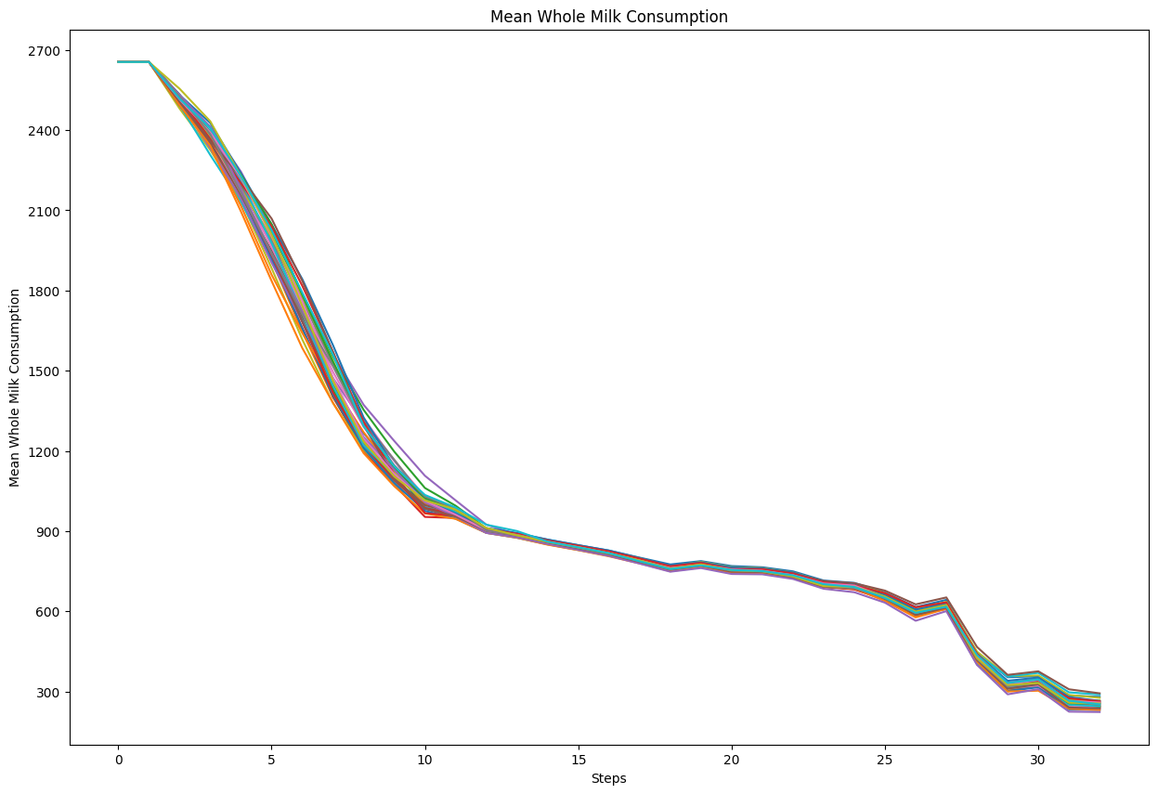
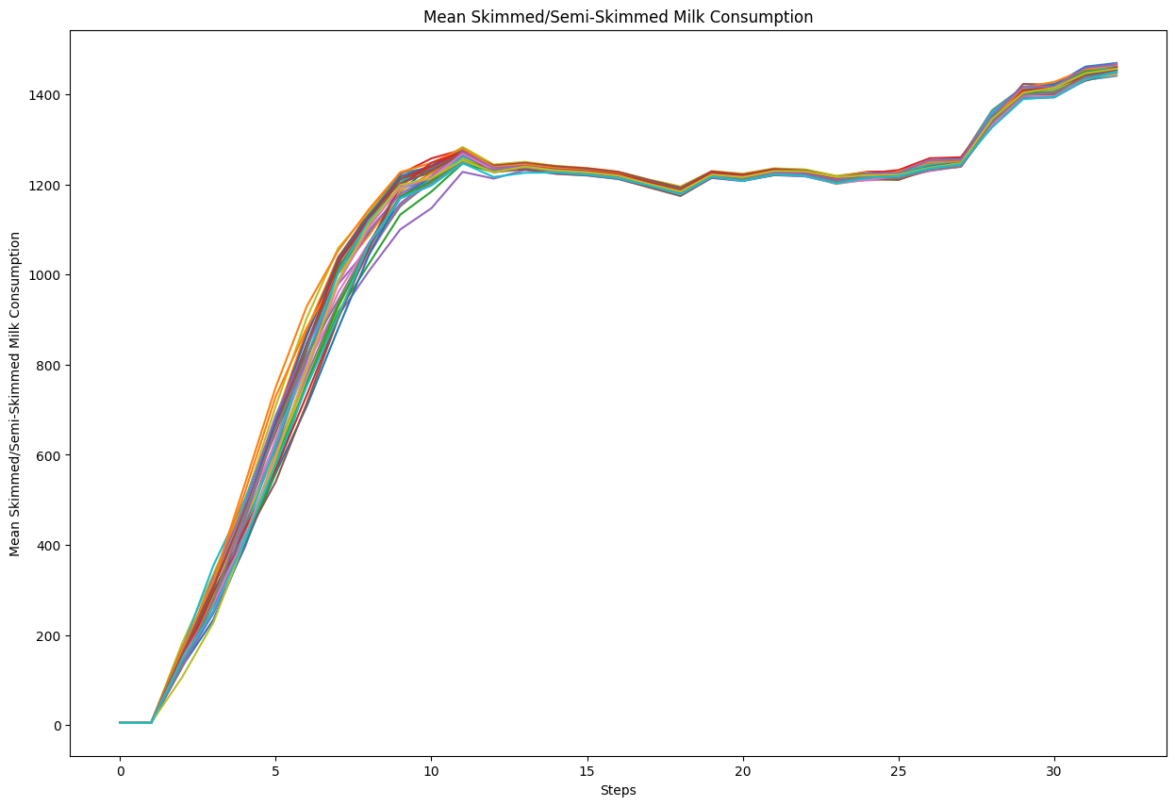
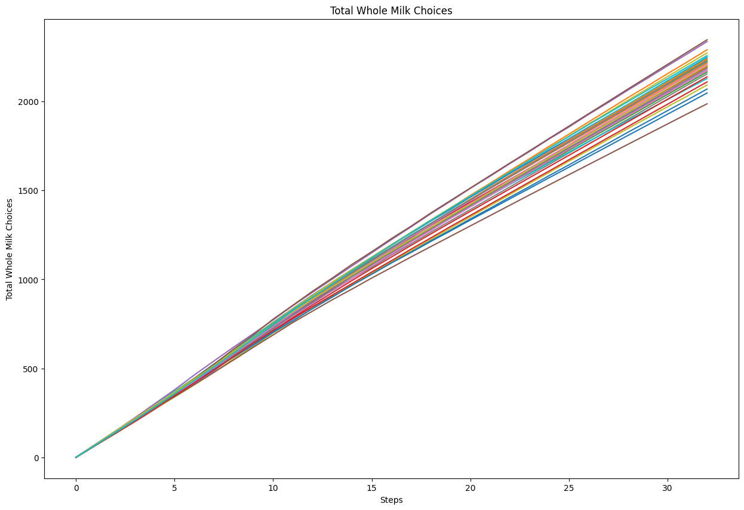
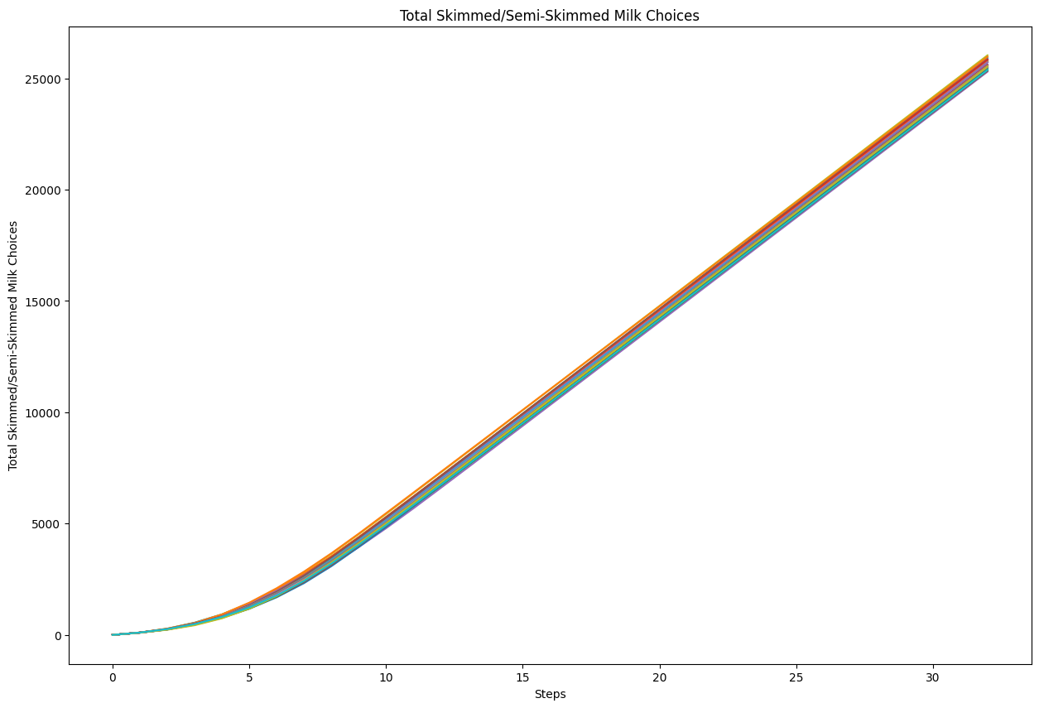
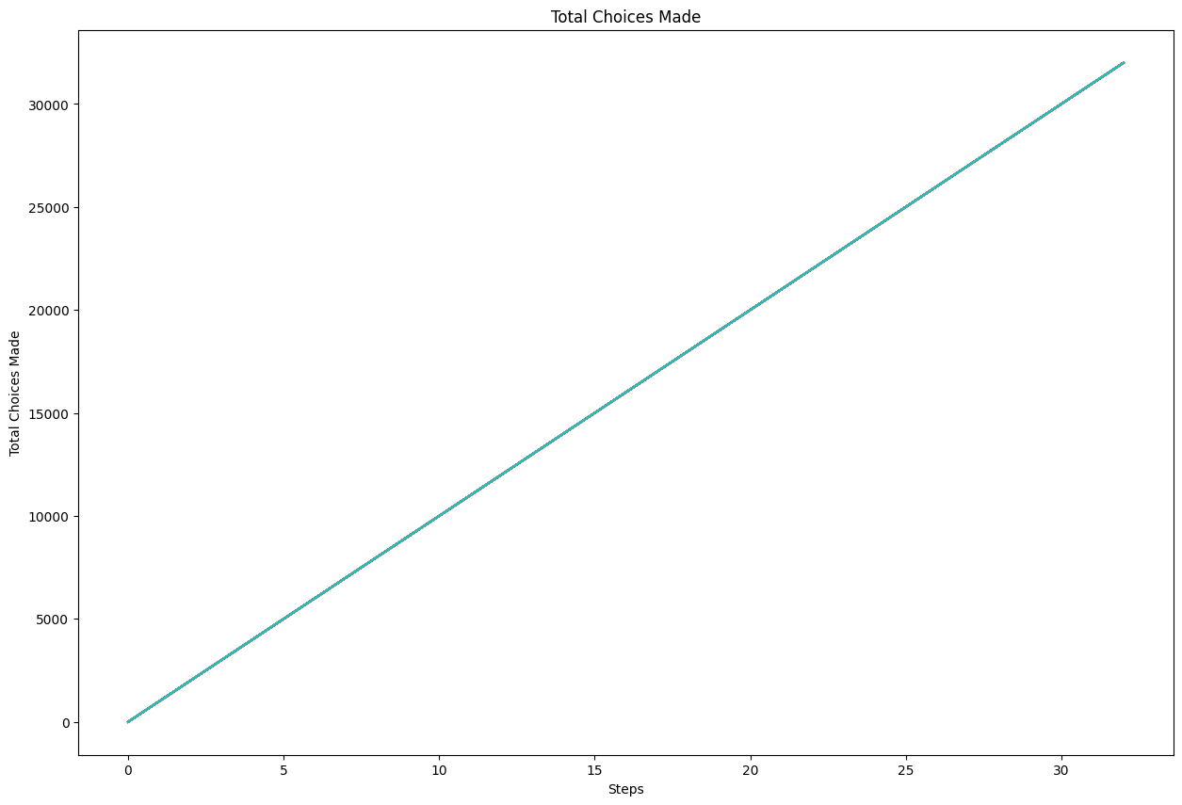
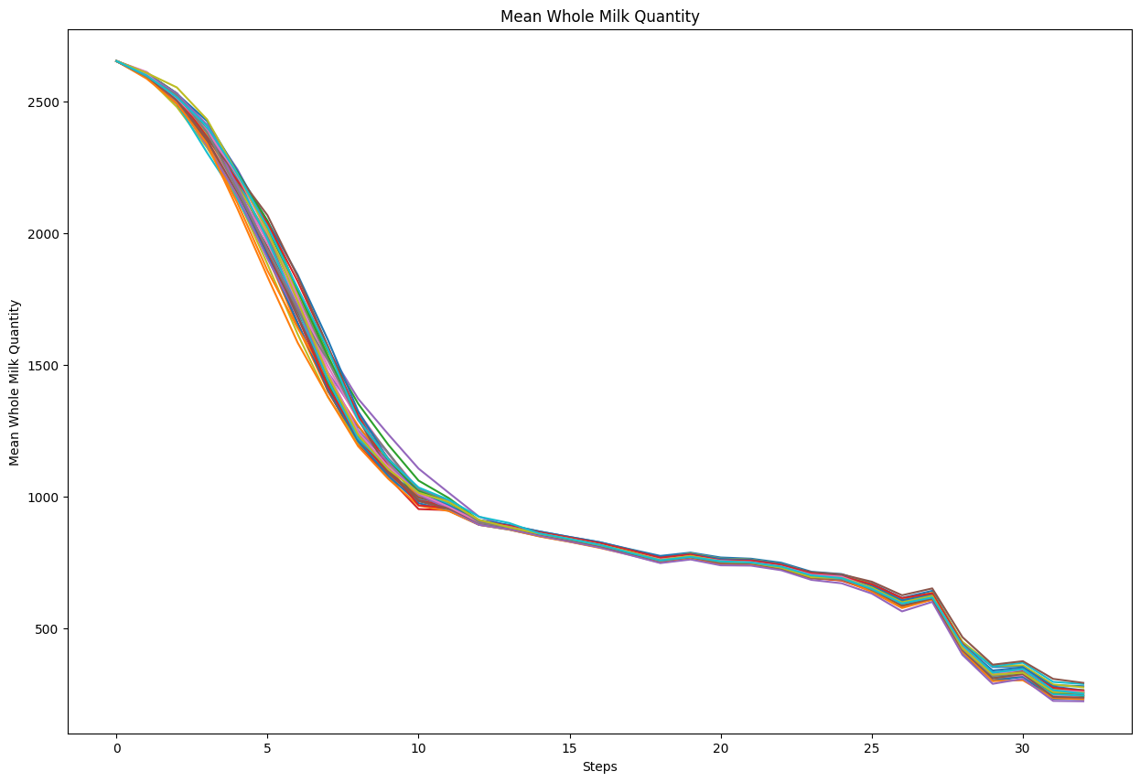
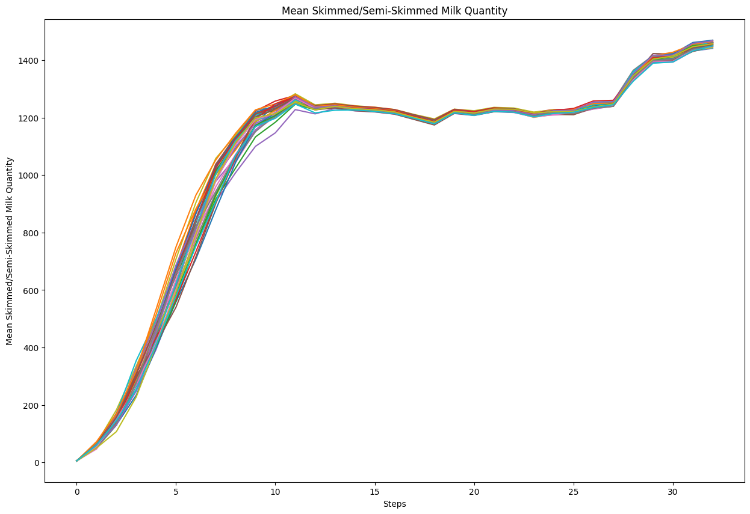
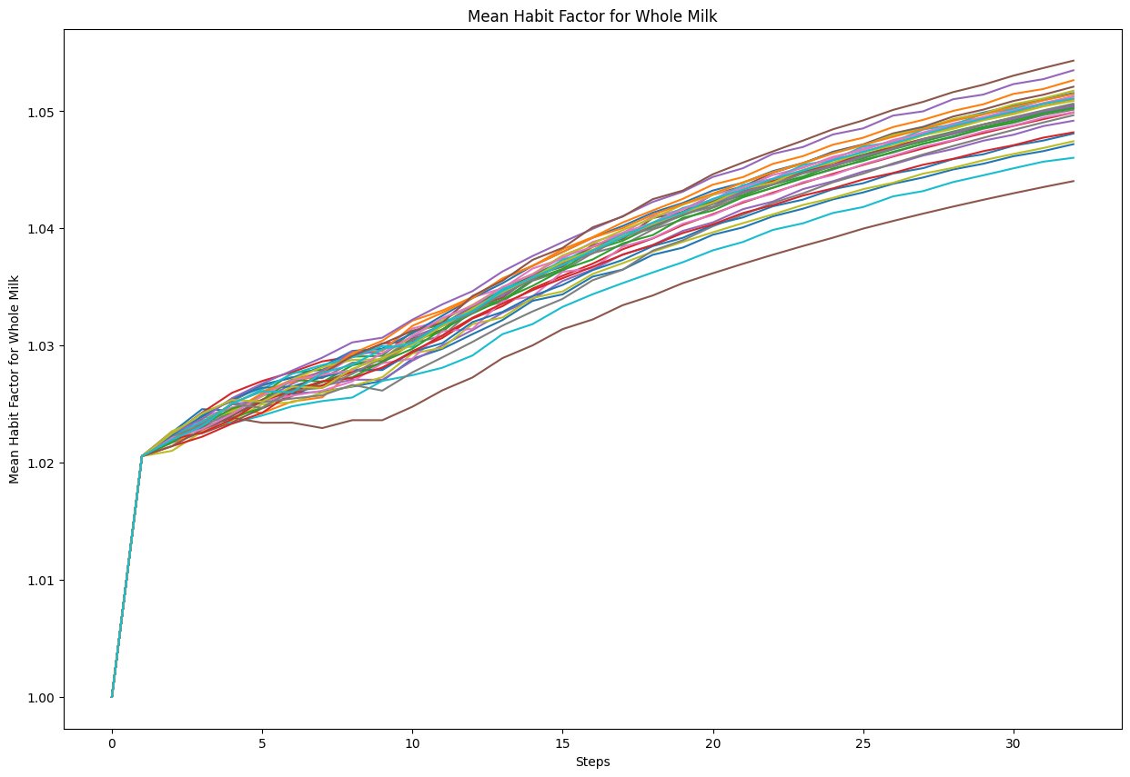
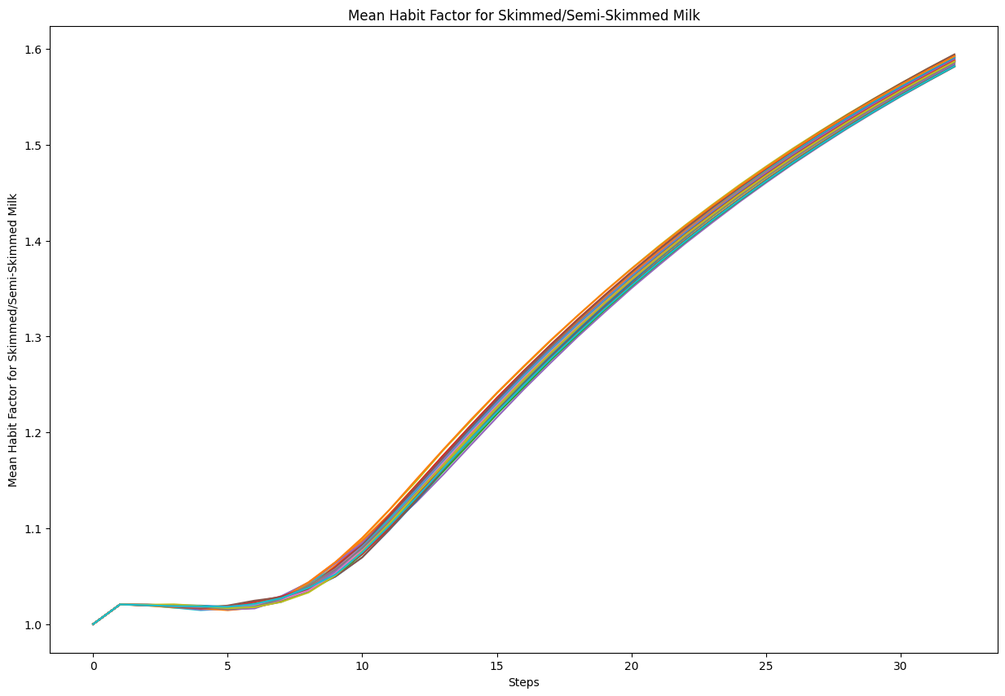
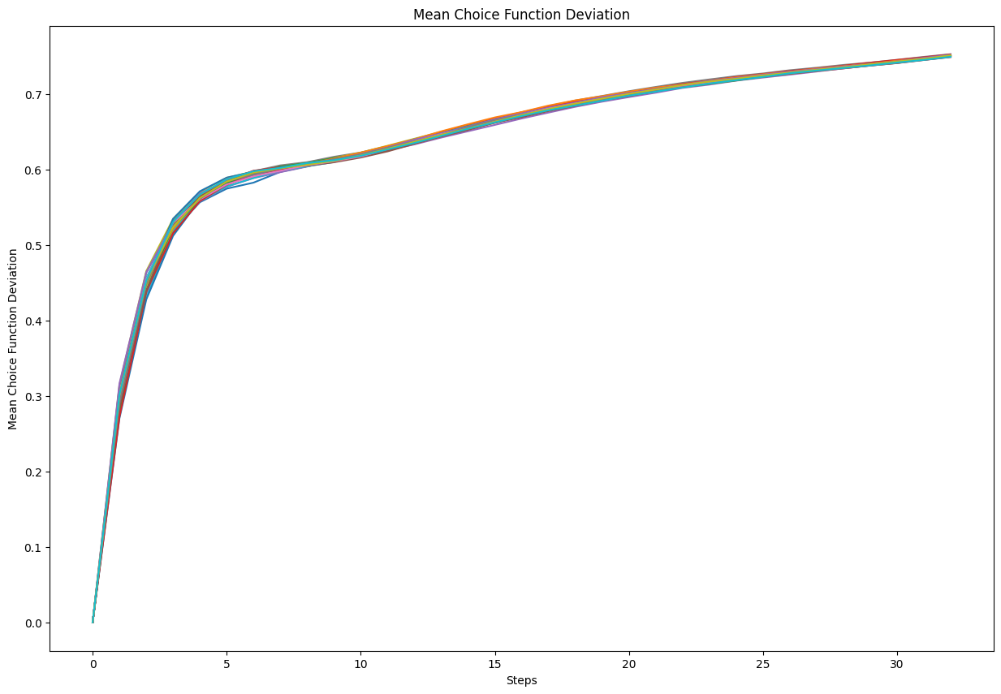
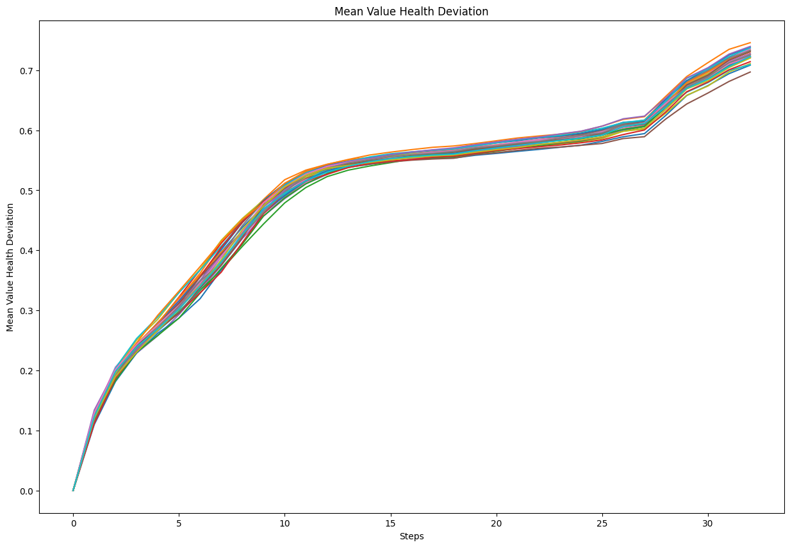
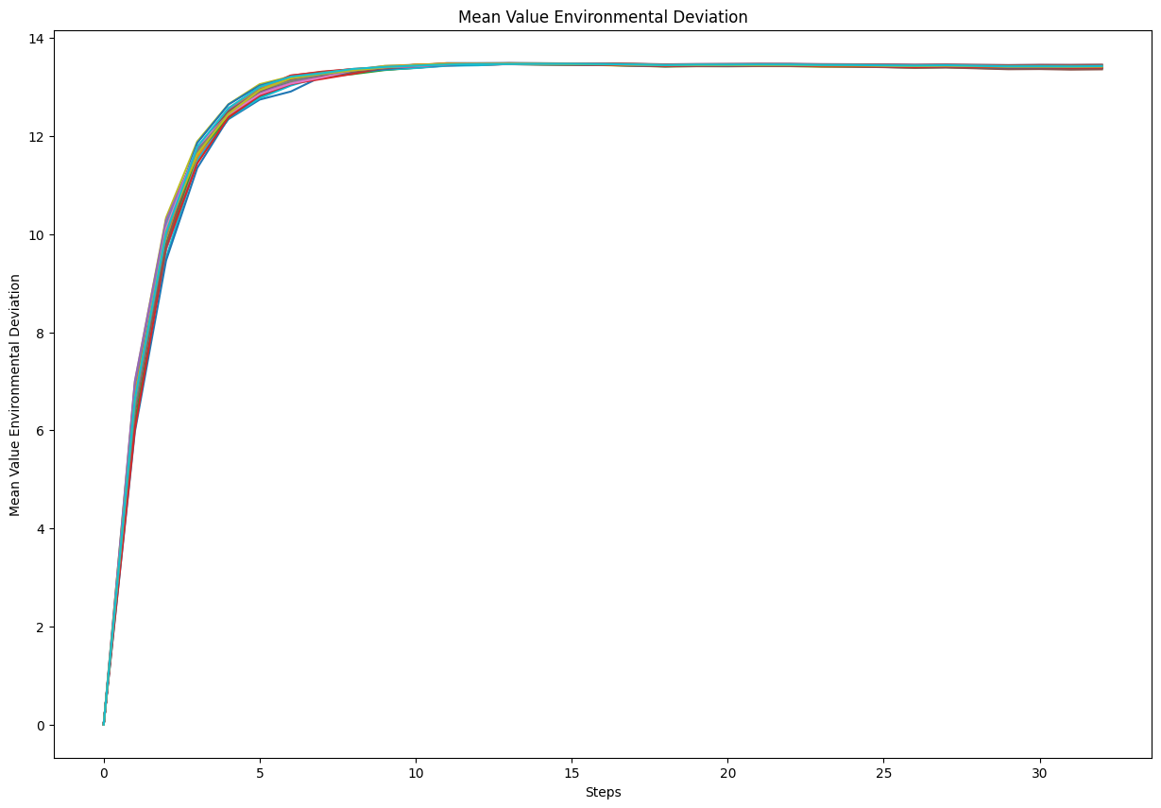
Input | Output | Faithfulness | Coverage

You are an expert in Consumer Behavior without any statistics background. Your goal is to explain an agent-based model. Your explanation must include the context of the model, its goals, and key parameters. For each parameter, include the range of values (if provided) and the value that we have set. Do not write any summary or conclusion. We have 16 parameters: - memory-lifetime, from 1.0 to 10.0. We set it to 5. - alt-health-mean-initial, from 1.0 to 3.0. We set it to 1.69. - habit-threshold, from 1.0 to 10.0. We set it to 2. - p-interact, from 0.0 to 1.0. We set it to 0.3. - social-susceptibility, from 0.0 to 1.0. We set it to 0.2. - incumbent-initial-habit, from 0.0 to 10.0. We set it to 10. - alt-env-mean-initial, from 0.0 to 3.0. We set it to 1.12. - social-blindness, from 0.0 to 1.0. We set it to 0.51. - justification, from 0.0 to 1.0. We set it to 0.61. - cognitive-dissonance-threshold, from 0.0 to 1.0. We set it to 0.15. - network-parameter, from 2.0 to 10.0. We set it to 8. - number-of-agents. We set it to 1000. - habit-on?. We set it to True. - network-type. We set it to "watts-strogatz". - norms. We set it to True. - social-conformity. We set it to 0.28. The context and goals of the model are as follows. The overall objective of the agent-based model is to reproduce adoption behaviours of milk consumption by the British public (1974-2005), by replicating individual preferences and decision factors. Specifically, the goal of the model is to explore the influence of perception, habits and social influence in an individual's decision-making process of milk choice. The model looks to replicate the substitution of whole milk for skimmed and semi-skimmed milk from the 1970s onwards. The main outcome reported here is the average weekly consumption of each milk type per person. The simulation uses both a theoretical grounding and empirical data to inform the ABM, with calibration performed against observed | The agent-based model (ABM) is designed to study the adoption behaviors of milk consumption in the British public from 1974 to 2005. The main objective is to replicate individual decision-making processes regarding milk choice focusing on perception, habits, and social influence. The model aims to simulate the shift from whole milk to skimmed and semi-skimmed milk, assessing the average weekly consumption per person for each milk type. By doing this, it seeks to understand and predict consumer behavior by evaluating two different decision making mechanisms: a threshold-based approach and a probability based approach. It simulates the transition in milk consumption by incorporating individual perceptions of health, environment, social network effects, habit strength, social effects, and influence of the social network. The ABM also simulates milk consumption over time for calibration against data observed against observed data against calibration data. The Model is available in the online version of this version of the above article by clicking here to read the latest version of these articles. The average weekly consumption of whole milk per agent begins at approximately 2,500 units. With the progression of time steps, there is a rapid initial decline in consumption, reducing to around 1,000 units by the 10th time step. This significant decrease in the early stages may indicate a shift in consumer preferences. The average weekly consumption of skimmed and semi-skimmed milk per agent begins at approximately zero. This initial surge suggests a quick adaptation or preference formation among agents. From time steps 5 to 10, consumption continues to rise sharply, reaching around 1000 units. The total number of times agents have chosen whole milk exhibits a consistent and linear increase across all time steps. As the simulation progresses, the number of whole milk choices increases steadily without any noticeable fluctuations or deviations from this trend. The synchr

Input | Output | Faithfulness | Coverage

You are an expert in grazing systems without any statistics background. Your goal is to explain an agent-based model. Your explanation must include the context of the model, its goals, and key parameters. For each parameter, include the range of values (if provided) and the value that we have set. Do not write any summary or conclusion. We have 31 parameters: - number-households, from 1.0 to 100.0. We set it to 60. - satisficing-threshold, from 0.0 to 100.0. We set it to 0. - satisficing-trials, from 0.0 to 100.0. We set it to 21. - knowledge-radius, from 0.0 to 5.0. We set it to 1. - resting-threshold, from 0.0 to 1.0. We set it to 0.1. - intrinsic-preference, from 0.0 to 1.0. We set it to 0. - social-susceptibility, from 0.0 to 1.0. We set it to 0. - global-rain?. We set it to True. - start-on-homepatch?. We set it to True. - resting?. We set it to False. - homog-behav-types?. We set it to True. - extension-model?. We set it to True. - SL2-strategy-switch?. We set it to False. - risk-mode?. We set it to True. - behavioral-type. We set it to E-RO. - number-SAT. We set it to 0. - number-E-RO. We set it to 20. - number-TRAD. We set it to 0. - b. We set it to 0. - number-MAX. We set it to 0. - rain-mean. We set it to 200. - risk-att-init. We set it to 0.5. - gr1. We set it to 0.5. - number-E-LBD. We set it to 20. - gr2. We set it to 0.1. - number-E-RO-SL1. We set it to 20. - timesteps. We set it to 100. - w. We set it to 0.8. - number-random. We set it to 0. - livestock-init. We set it to 90. - rain-std. We set it to 100. The context and goals of the model are as follows. This is an extension of the original RAGE model where we add learning capabilities to agents, specifically learning-by-doing and social learning (two processes central to adaptive (co-)management). The original model can be found here: The RAGE model is a *multi-agent simulation model* t | The original rage model captures feedbacks between pastures, livestock, and household livelihoods in a common property grazing system. The plot shows the mean household initial risk attitude of social learning agents in an agent - based model over time steps. 14, indicating a slight tendency towards positive initial risk attitudes on average, but with variability across the agents. The data depicts the mean household risk attitude over the course experiencing fluctuations throughout varied in its progression. At the initial timestepoints, the metric shows considerable volatility, with values ranging from around 0. It then undergoes a rapid increase, reaching a peak value of approximately 130, 000 units around the 20th time step. Following the peak, the reserve biomass gradually declines, stabilizing around 110, 000 units after the 60th time step. The plot displays the average amount of actual available green biomass across all patches over time, accounting for reductions due to grazing. The specific values and the rate of change vary slightly among the different cases, but they exhibit a similar overall pattern. Initially, the metric starts around 40 and exhibits a rapid increase, peaking at around 90 around time step 10. These oscillations suggest a cyclical pattern in the average total livestock holdings, with periods of increase and decrease occurring repeatedly. During the early time steps, the average destocking value rises rapidly, peaking around step 10 with a maximum value of approximately 6. After this initial peak, the destocking values exhibit a period of oscillations, with regular peaks and troughs occurring until around step 60. The gini coefficient ranges from 0 to 1, with 0 representing perfect equality and 1 representing maximum inequality. Beyond time step 20, the gini coefficient continues to increase but at a slower rate, eventually approaching a value close to 0. The plot displays the count of households that have engaged in social learning

Input | Output | Faithfulness | Coverage

Your goal is to explain an agent-based model. Your explanation must include the context of the model, its goals, and key parameters. For each parameter, include the range of values (if provided) and the value that we have set. Do not write any summary or conclusion. We have 16 parameters: - memory-lifetime, from 1.0 to 10.0. We set it to 5. - alt-health-mean-initial, from 1.0 to 3.0. We set it to 1.69. - habit-threshold, from 1.0 to 10.0. We set it to 2. - p-interact, from 0.0 to 1.0. We set it to 0.3. - social-susceptibility, from 0.0 to 1.0. We set it to 0.2. - incumbent-initial-habit, from 0.0 to 10.0. We set it to 10. - alt-env-mean-initial, from 0.0 to 3.0. We set it to 1.12. - social-blindness, from 0.0 to 1.0. We set it to 0.51. - justification, from 0.0 to 1.0. We set it to 0.61. - cognitive-dissonance-threshold, from 0.0 to 1.0. We set it to 0.15. - network-parameter, from 2.0 to 10.0. We set it to 8. - number-of-agents. We set it to 1000. - habit-on?. We set it to True. - network-type. We set it to "watts-strogatz". - norms. We set it to True. - social-conformity. We set it to 0.28. The context and goals of the model are as follows. The overall objective of the agent-based model is to reproduce adoption behaviours of milk consumption by the British public (1974-2005), by replicating individual preferences and decision factors. Specifically, the goal of the model is to explore the influence of perception, habits and social influence in an individual's decision-making process of milk choice. The model looks to replicate the substitution of whole milk for skimmed and semi-skimmed milk from the 1970s onwards. The main outcome reported here is the average weekly consumption of each milk type per person. The simulation uses both a theoretical grounding and empirical data to inform the ABM, with calibration performed against observed macro level data. In particular, the study conducts an experiment to compare | The agent-based model aims to simulate and understand the milk consumption trends of the British public from 1974 to 2005, focusing on the shift from whole milk to skimmed and semi-skimmed milk. The model examines how perception, habits, and social influence shape individual preferences and decision-making processes regarding milk choices. The primary output of the simulation is the average weekly consumption of each type of milk per person, calibrated against empirical data. Monitors track the number of agents consuming either whole milk (incumbent) or skimmed milk (alternative milk/semed/mi/skimming) Monitors visualize the percentage of agents (formative-formform) consuming. Monots and Plots (formformform form) visualize the agents consuming or consuming the milk (informative form) of either whole or skim/semi-formated milk/alternative form of milk (formated form). Monitors (formatted form) Monots, Monitors The average weekly consumption of whole milk per agent begins at a high value of approximately 2,500 units. Within the first 10 time steps, there is a steep and rapid decline, plummeting to around 1,000 units. The rate of decline suggests that the agents have significantly reduced their whole milk consumption, stabilizing at a lower level. Initial consumption of skimmed and semi-skimmed milk per agent begins at a value close to zero. Over the first 10 steps, there is a sharp increase in consumption, reaching approximately 1,200 units per agent. After step 10, the rate of increase decelerates significantly. Starting from zero, there is a steady and nearly linear increase in the total whole milk choices as the steps progress. Trend suggests a uniformly growing preference or repeated choice for whole milk among the agents as the simulation advances. Trend may reflect a cumulative outcome of certain rules or behaviors encoded in the agent-based model. The total number of times agents have chosen skimmed or semi-skimmed milk begins at 0 and shows a continuous

Input | Output | Faithfulness | Coverage

You are an expert in Consumer Behavior without any statistics background. Your goal is to explain an agent-based model. Your explanation must include the context of the model, its goals, and key parameters. For each parameter, include the range of values (if provided) and the value that we have set. Do not write any summary or conclusion. We have 16 parameters: - memory-lifetime, from 1.0 to 10.0. We set it to 5. - alt-health-mean-initial, from 1.0 to 3.0. We set it to 1.69. - habit-threshold, from 1.0 to 10.0. We set it to 2. - p-interact, from 0.0 to 1.0. We set it to 0.3. - social-susceptibility, from 0.0 to 1.0. We set it to 0.2. - incumbent-initial-habit, from 0.0 to 10.0. We set it to 10. - alt-env-mean-initial, from 0.0 to 3.0. We set it to 1.12. - social-blindness, from 0.0 to 1.0. We set it to 0.51. - justification, from 0.0 to 1.0. We set it to 0.61. - cognitive-dissonance-threshold, from 0.0 to 1.0. We set it to 0.15. - network-parameter, from 2.0 to 10.0. We set it to 8. - number-of-agents. We set it to 1000. - habit-on?. We set it to True. - network-type. We set it to "watts-strogatz". - norms. We set it to True. - social-conformity. We set it to 0.28. The context and goals of the model are as follows. The overall objective of the agent-based model is to reproduce adoption behaviours of milk consumption by the British public (1974-2005), by replicating individual preferences and decision factors. Specifically, the goal of the model is to explore the influence of perception, habits and social influence in an individual's decision-making process of milk choice. The model looks to replicate the substitution of whole milk for skimmed and semi-skimmed milk from the 1970s onwards. The main outcome reported here is the average weekly consumption of each milk type per person. The simulation uses both a theoretical grounding and empirical data to inform the ABM, with calibration performed against observed | Study compares two model variants, representing different mechanisms for how agents become disposed to consider their choices. Model simulates 1,000 adult consumer agents occupying random positions in an information environment. Each agent has a disposition to consider alternative milk choices, determined by either a threshold-based or a probability-based approach. Model aims to explore the influence of perception, habits, and social influence in an individual's decision-making process of milk choice, specifically the substitution of whole milk for skimmed and semi-skimmed milk from the 1970s onwards. Study compares the model to the adoption behaviors of milk consumption by the British public (1974-2005), by replicating individual preferences and decision factors. The key parameters and their values are as follows:. The model is based on a number-of-agents, with the number of agents in the model and their choice functions of the model being given a number of different choices to consider milk choices. The model also includes a network-parameter: Mean whole milk consumption per agent starts at a very high value of around 2400 units. It then experiences a rapid decline over the first 5 time steps, dropping to around 1200 units. This sharp initial drop could indicate that agents are adjusting their milk consumption habits rapidly in response to changes in the simulation environment. The mean skimmed/semi-skimmed milk consumption per agent starts at around 200 units in the initial time steps. This rapid growth could indicate a change in consumer preferences or marketing campaigns that influenced a large portion of the population to increase their consumption of these milk varieties. The total number of whole milk choices made by the agents starts at a low value close to zero and exhibits a consistent linear increase over the simulation steps. This upward trend appears to be fairly uniform across all the simulation runs. For decision-makers, this upward trend could

